4. Planning and Maintenance
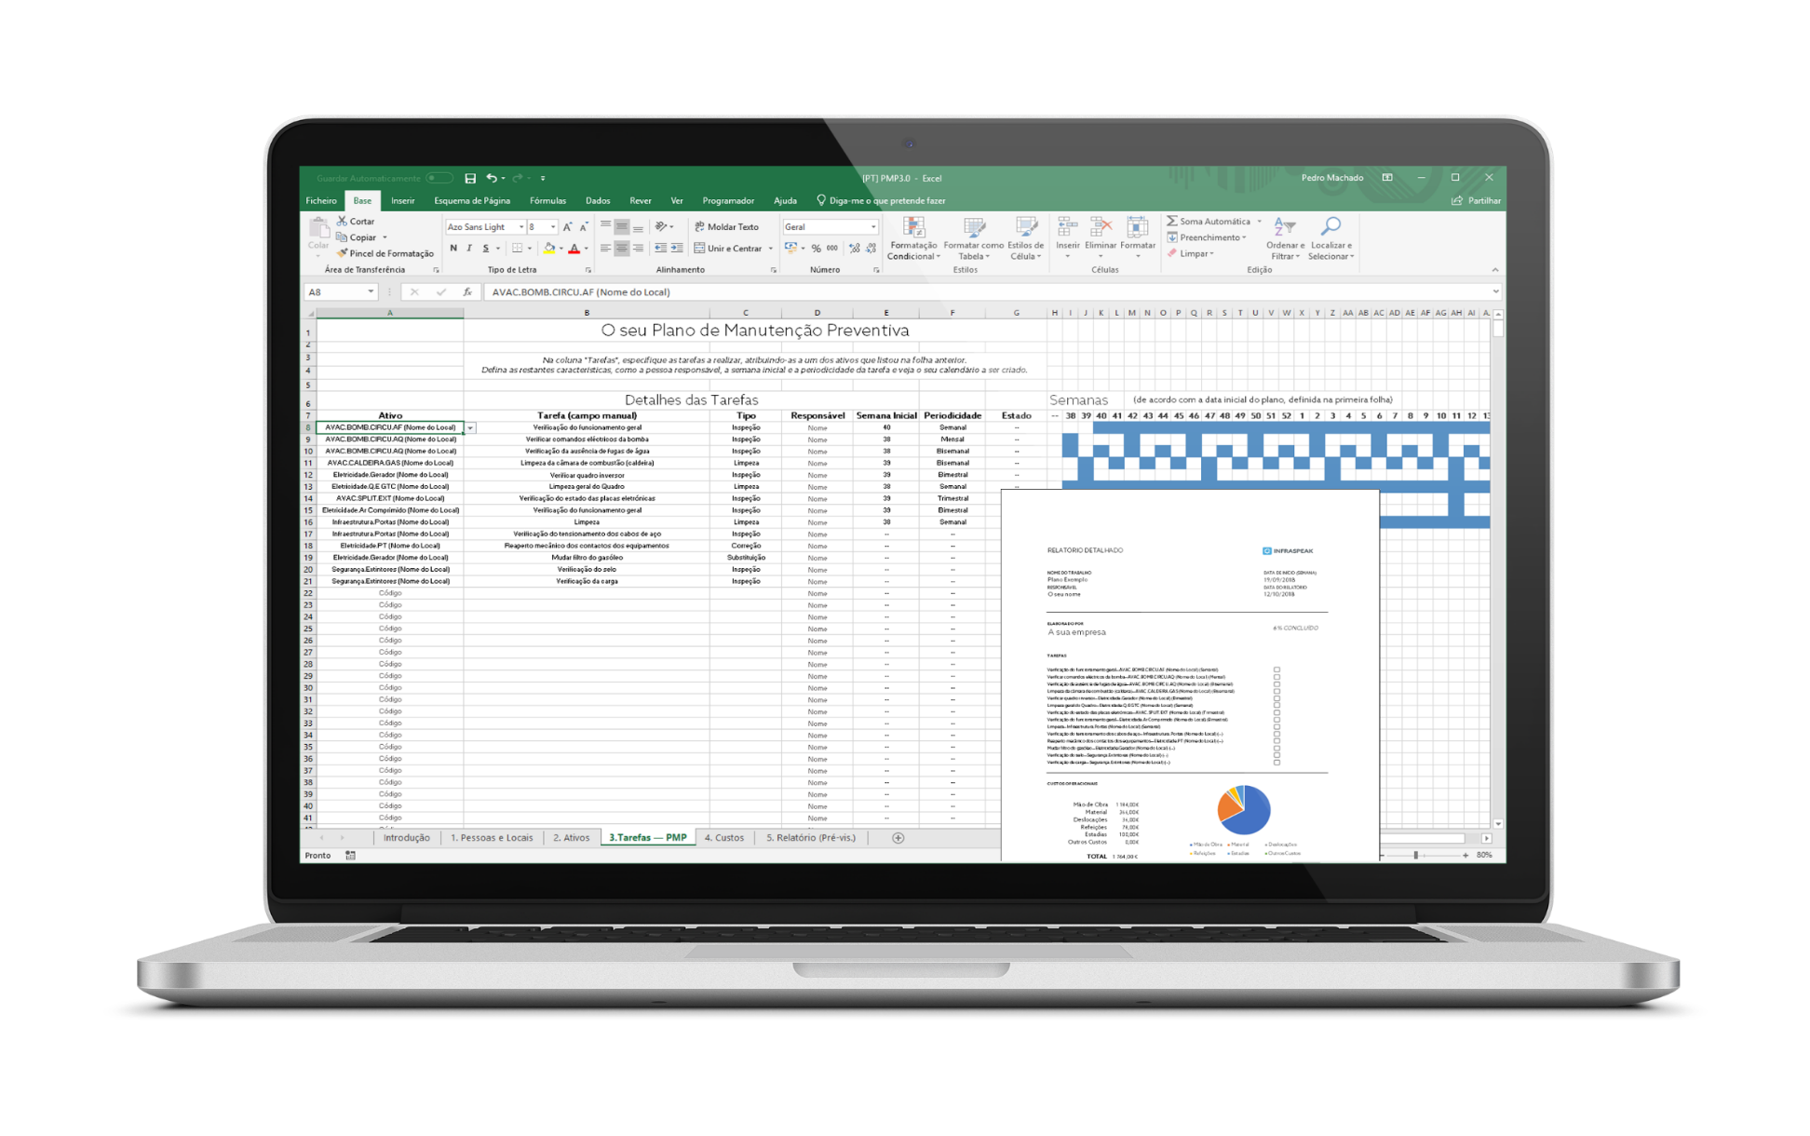
4. Planning and Maintenance
The next step is to create a maintenance plan for your equipment and buildings, prioritising those with a greater associated risk. With our Preventive Maintenacne Plan Template, you'll have all this work simplified with automations, and you'll still learn in the process.

DOWNLOAD NOW

Report (pre-vis.)
REPORT
RISK ASSESSMENT

PLAN NAME |  |  |  | START DATE
Example name |  |  |  | 2030-01-01
COMPANY |  |  |  | CURRENT DATE
Your company |  |  |  | 2022-06-22

PERFORMED BY |  |  |  | TOTAL No. OF EQUIPMENT
Your name |  |  |  | 8

A | 2
B | 2
B/C | 1
C | 1
D | 2

EQUIPMENT BY PHYSICAL STATE
Category A | 2 (25%)
Category B | 2 (25%)
Category B/C | 1 (12,5%)
Category C | 1 (12,5%)
Category D | 2 (25%)

Low | 2
Moderate | 0
Significant | 0
High | 1

EQUIPMENT BY ASSOCIATED RISK
4 equipment in categories B/C or worse

High Risk | 2 (0,5%)
Significant Risk | 0 (0%)
Moderate Risk | 0 (0%)
Low Risk | 1 (0,3%)

AREA OF EQUIPMENT WITH HIGHEST RISK | |  |  | HVAC

GENERAL CLASSIFICATION | |  |  | 2/100

 |  | SIGNATURE

